DEWATA COCONUT
DATE | INV NO. | DESCRIPTIONS | AMOUNT | BILLS | PRICE | TOTAL
2025-11-02 | 10978 | COCONUT LOGO | 20 | 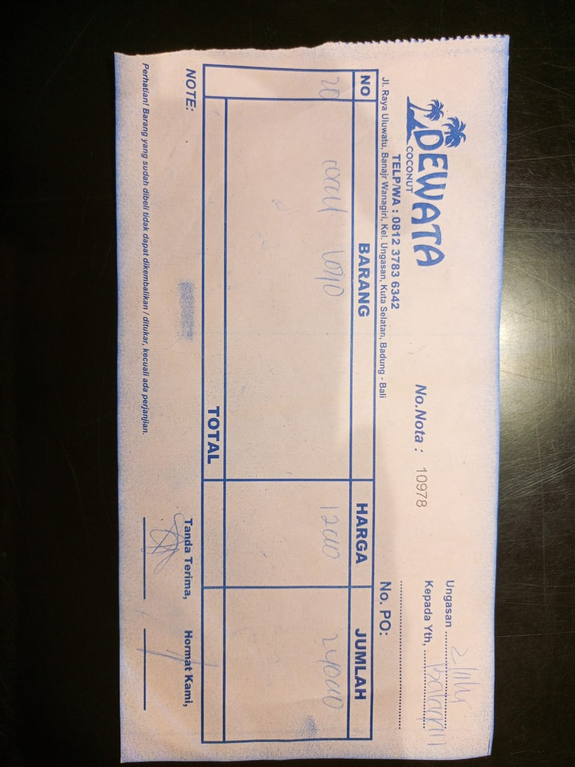 | IDR 12,000 | IDR 240,000
2025-11-07 | 13028 | COCONUT LOGO | 20 | 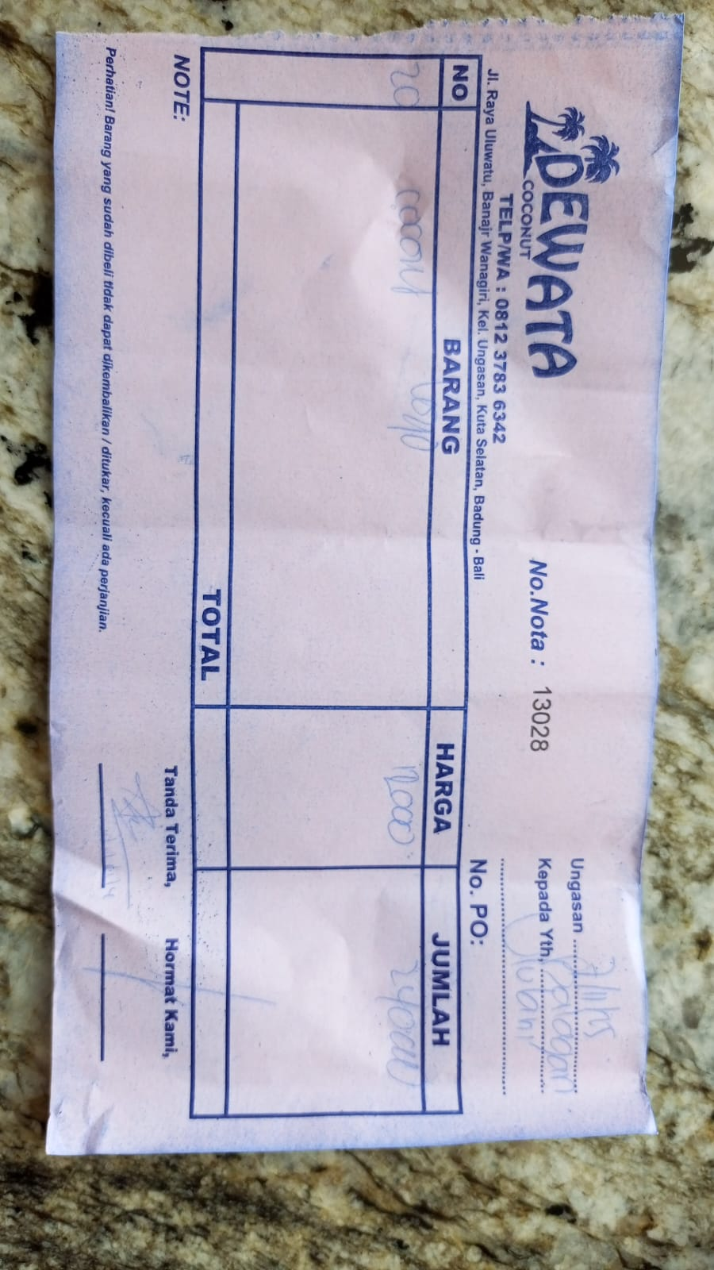 | IDR 12,000 | IDR 240,000
2025-11-13 | 11113 | COCONUT LOGO | 15 | 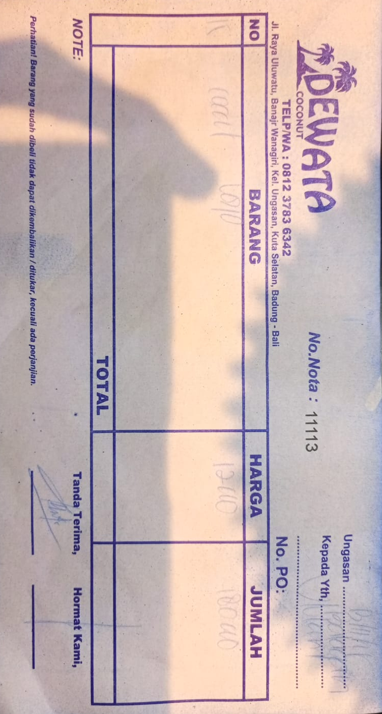 | IDR 12,000 | IDR 180,000
2025-11-15 | 12182 | COCONUT LOGO | 15 | 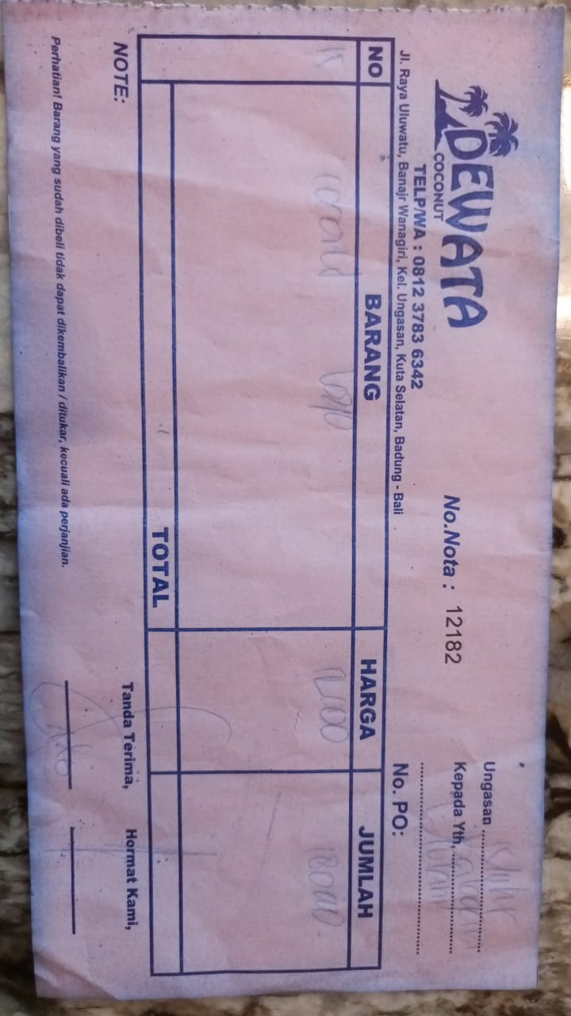 | IDR 12,000 | IDR 180,000
2025-11-19 | 11206 | COCONUT LOGO | 20 | 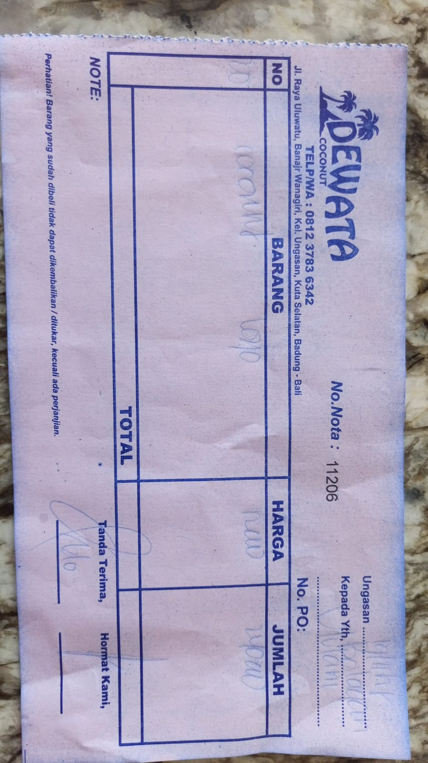 | IDR 12,000 | IDR 240,000
2025-11-21 | 11259 | COCONUT LOGO | 20 | 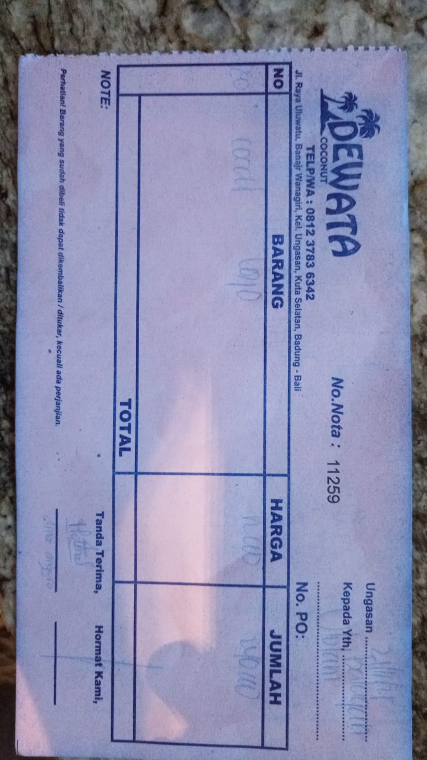 | IDR 12,000 | IDR 240,000
2025-11-24 | 13204 | COCONUT LOGO | 20 | 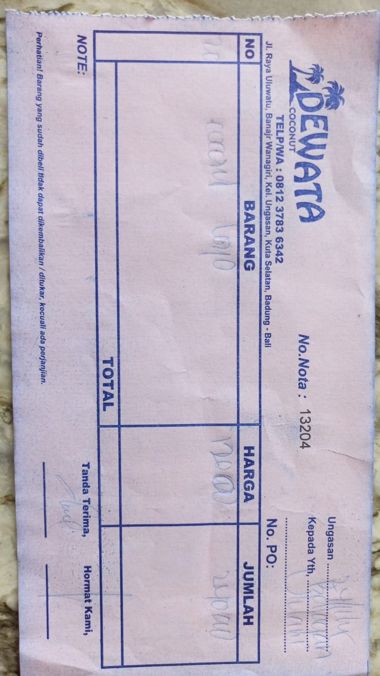 | IDR 12,000 | IDR 240,000
2025-11-28 | 13311 | COCONUT LOGO | 20 | 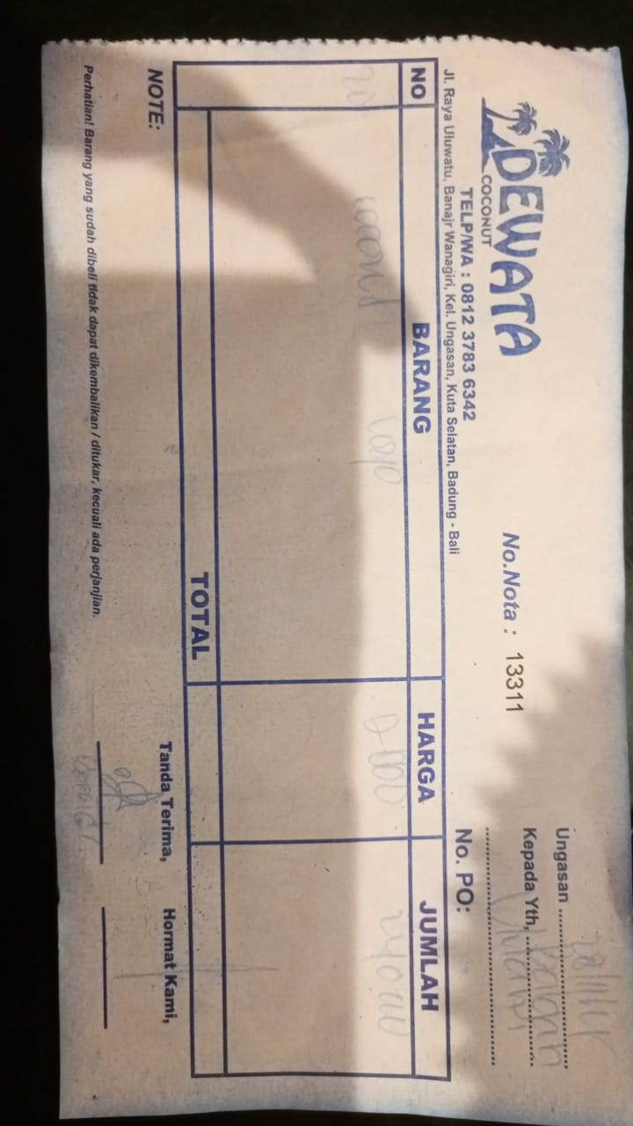 | IDR 12,000 | IDR 240,000
 |  |  |  | Rp1,800,000

